Lead Qualifier
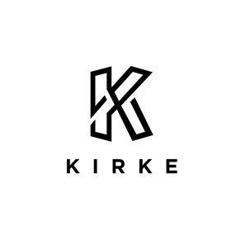
 |  | Name:
 | Kirke Management Consulting - Privacy Questionnaire | Company:
 | Please use drop down menu to fill answers | Email:

 | Qualifying Questions | Answer | Rating
1 | Do you collect personal information as part of your business model
2 | What type of personal information does your business handle - choose most critical
3 | Do you collect or process personal information on behalf of another company
4 | Do you have an online presence (website, social media) and interact with customers through it
5 | Do you run digital marketing programs (i.e. email marketing, micro-sites, install software)
6 | Do you share personal information with other organizations for any purpose
7 | Do you share personal information between departments in your organization
8 | Do you collect personal information, offer products or services, or monitor online behaviour of European residents?
9 | What size is your business
10 | What is the nature of your business
11 | Where does your business operate
12 | What is the average number of personal information records handled
13 | What is your personal information storage strategy
14 | Do you have a record retention and management strategy
15 | Do you use electronic files and use access-managed (user ID and pwd) systems to access data
16 | Are you aware of the privacy measures required in your organization
17 | Have you experienced a data breach before
18 | Do you have an incident response procedure
19 | Do you have a Privacy Officer
20 | Do you have a head of IT (CIO, CTO, CISO)
21 | Do you provide regular privacy or data protection training to your employees?
 | TOTAL
 | Priority 1 = Extreme Risk Priority 2 = High/Med Risk Prioirty 3 = Low Risk | No priority

 | www.kirke-consulting.com contact@kirke-consulting.com
 | The information contained in this document is confidential, privileged and only for the information of the intended recipient and may not be used, published or redistributed without the prior written consent of Kirke Management Consulting.
 | © Kirke Management Consulting. All rights reserved.

